Sheet1
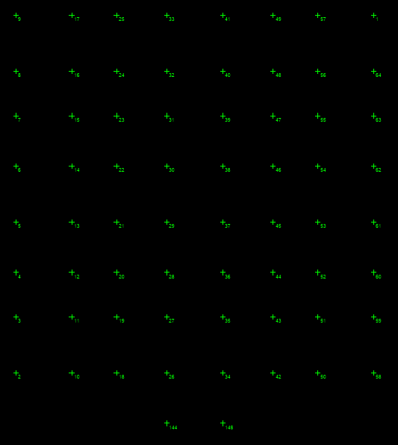
Reaction forces from Combo-1 for fondation Design
Story | Point | Load | FZ | MX | MY
BASE | 1 | COMB1 | 10358 | 679 | -756
BASE | 2 | COMB1 | 8846 | -624 | 86
BASE | 3 | COMB1 | 3722 | -38 | 13
BASE | 4 | COMB1 | 4300 | -22 | 14
BASE | 5 | COMB1 | 3751 | -23 | 14
BASE | 6 | COMB1 | 5221 | -1 | 16
BASE | 7 | COMB1 | 4031 | 16 | 19
BASE | 8 | COMB1 | 3516 | 27 | 21
BASE | 9 | COMB1 | 10156 | 633 | 779
BASE | 10 | COMB1 | 2398 | -11 | 6
BASE | 11 | COMB1 | 6321 | -2 | -3
BASE | 12 | COMB1 | 5965 | -4 | -4
BASE | 13 | COMB1 | 4572 | -10 | 4
BASE | 14 | COMB1 | 4546 | 2 | 1
BASE | 15 | COMB1 | 5927 | -4 | -5
BASE | 16 | COMB1 | 6360 | -8 | -4
BASE | 17 | COMB1 | 3684 | 15 | 34
BASE | 18 | COMB1 | 6244 | -117 | -165
BASE | 19 | COMB1 | 6151 | -3 | 2
BASE | 20 | COMB1 | 5983 | -6 | 3
BASE | 21 | COMB1 | 6268 | -20 | 7
BASE | 22 | COMB1 | 6243 | 12 | 7
BASE | 23 | COMB1 | 5847 | -2 | 2
BASE | 24 | COMB1 | 5957 | -8 | 0
BASE | 25 | COMB1 | 4513 | 14 | 16
BASE | 26 | COMB1 | 6352 | -19 | 15
BASE | 27 | COMB1 | 6908 | 4 | 17
BASE | 28 | COMB1 | 6726 | -8 | 16
BASE | 29 | COMB1 | 7294 | -16 | 12
BASE | 30 | COMB1 | 7235 | 8 | 12
BASE | 31 | COMB1 | 6246 | 3 | 16
BASE | 32 | COMB1 | 4577 | 0 | 6
BASE | 33 | COMB1 | 3904 | 12 | 4
BASE | 34 | COMB1 | 6352 | -18 | -15
BASE | 35 | COMB1 | 6908 | 4 | -17
BASE | 36 | COMB1 | 6726 | -8 | -17
BASE | 37 | COMB1 | 7294 | -16 | -12
BASE | 38 | COMB1 | 7235 | 8 | -12
BASE | 39 | COMB1 | 6246 | 3 | -16
BASE | 40 | COMB1 | 4578 | 0 | -6
BASE | 41 | COMB1 | 3900 | 13 | -4
BASE | 42 | COMB1 | 6258 | -116 | 142
BASE | 43 | COMB1 | 6152 | -3 | -3
BASE | 44 | COMB1 | 5984 | -6 | -3
BASE | 45 | COMB1 | 6269 | -20 | -7
BASE | 46 | COMB1 | 6244 | 12 | -7
BASE | 47 | COMB1 | 5848 | -2 | -2
BASE | 48 | COMB1 | 5955 | -8 | 0
BASE | 49 | COMB1 | 4492 | 15 | -16
BASE | 50 | COMB1 | 2358 | -13 | -5
BASE | 51 | COMB1 | 6319 | -2 | 3
BASE | 52 | COMB1 | 5977 | -4 | 4
BASE | 53 | COMB1 | 4585 | -10 | -4
BASE | 54 | COMB1 | 4567 | 2 | -4
BASE | 55 | COMB1 | 5957 | -4 | 4
BASE | 56 | COMB1 | 6366 | -8 | 4
BASE | 57 | COMB1 | 3642 | 16 | -34
BASE | 58 | COMB1 | 8919 | -801 | -96
BASE | 59 | COMB1 | 3728 | -37 | -14
BASE | 60 | COMB1 | 4541 | -20 | -14
BASE | 61 | COMB1 | 3918 | -8 | -14
BASE | 62 | COMB1 | 3911 | 0 | -15
BASE | 63 | COMB1 | 4495 | 12 | -18
BASE | 64 | COMB1 | 3635 | 29 | -20
BASE | 144 | COMB1 | 4739 | -27 | 96
BASE | 148 | COMB1 | 4712 | -27 | -100

